Sheet1
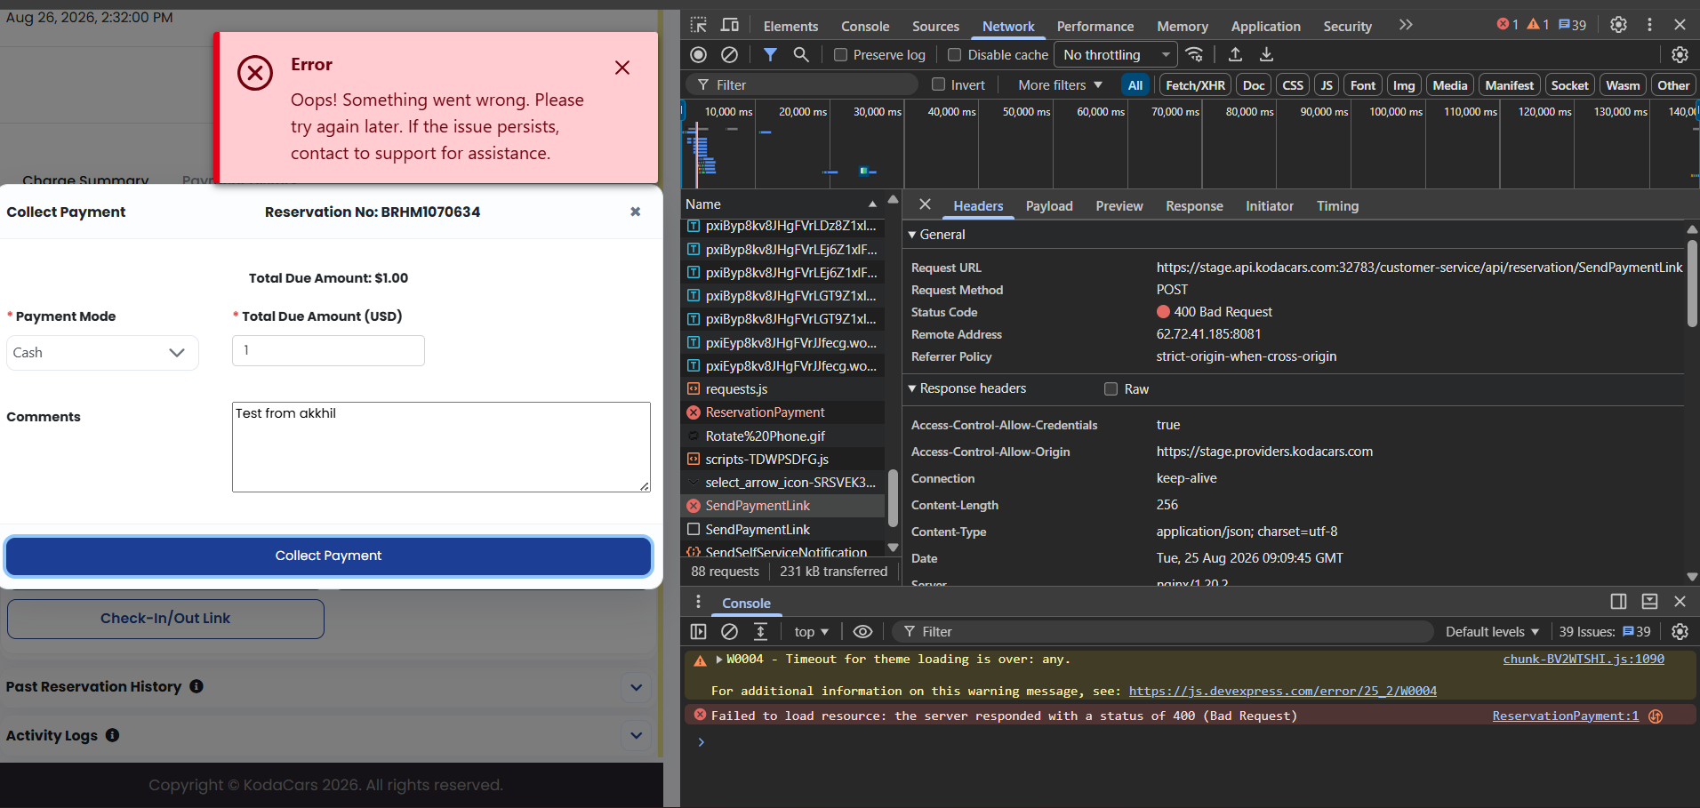
Sr no. | Problem | Recreate steps
1 | Getting error 404 | 1. Create a new reservation
 | Request URL | 2. after it is created scroll down
 | https://stage.api.kodacars.com:32783/customer-service/api/Payment/ReservationPayment | 3. click on collect payment > payment method could be cash or card
 | Request Method | 4. comment anything
 | POST | 5. click on collect money
 | Status Code
 | 400 Bad Request | Note :- I have found this to be a general error as the system
 | Remote Address | receive the same error if we make too many request under 38
 | 62.72.41.185:8081 | 38 seconds
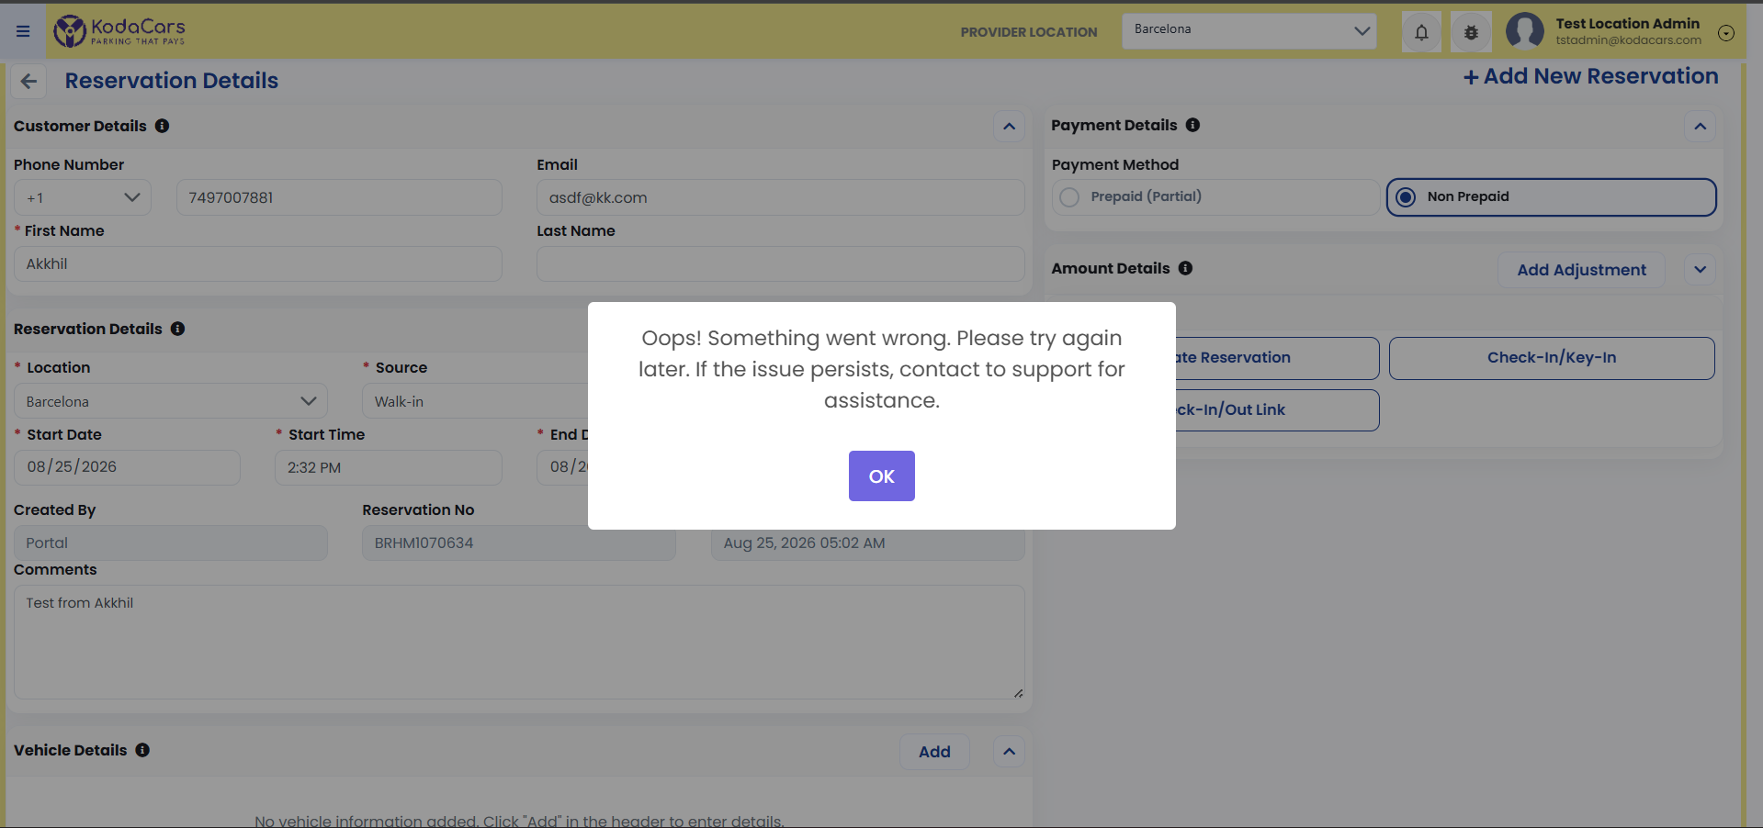
 | Referrer Policy
 | strict-origin-when-cross-origin

2 | Visual glitch
 | white square around icons

3 | Under vehicle registration
 | the license plate no is not
 | checked if the plate is real
 | or not

